Architecture
BMS | system architecture Master, MasterRadio and Slaves

Interfaces

CAR
LabVIEW
MASTER
MASTER
RADIO
SLAVES
CAN 0.5/1 Mbps
SPI 3.2 Mbps
RADIO 2 Mbps

Architecture

MASTER (CORE 2)
TBD
MASTER (CORE 1)
TBD
CAN 500 KBPS
DIG_OUT
DIG_IN
A/D
D/A
AD_IN
I2C
AD_IN
DA_OUT (tbd)
PWM_OUT (tbd)
CAN 1 MBPS
FPGA
MASTERRADIO
EFR32MG22C224F512IM32
SPI + PTI 3.2 MBPS
SW_DEBUG
UART_DEBUG
2.4GHz / 2Mbps
Custom protocol
SLAVE
EFR32MG22C224F512IM32
DIG_IN
A/D
D/A
AD_IN
SPI 1 MBPS
AD_IN
DA_OUT
DEBUG_OUT
PWM_OUT
SW_DEBUG
UART_DEBUG
2x SPI
3.2Mbps

OR
DIRECT MODE?


DEBUG_OUT

CAR

LabVIEW
(Setup
Cal
Diag)

SLAVE
EFR32MG22C224F512IM32
SLAVE
EFR32MG22C224F512IM32
SLAVE
EFR32MG22C224F512IM32
SLAVE
EFR32MG22C224F512IM32
SLAVE
EFR32MG22C224F512IM32
SLAVE
EFR32MG22C224F512IM32
SLAVE
EFR32MG22C224F512IM32
SLAVE
EFR32MG22C224F512IM32



Detail

MASTER TRANSCEIVER
EFR32MG22C224F512IM32
SLAVE
EFR32MG22C224F512IM32
D/A
SPI 1 MBPS
A/D
ALARM_TEMP
CELL_TEMP
CNS_DERIVE_I
CELL_VOLTAGE
I_DERIVE
VREF_EXT
CNS_HEAT
DEBUG_LED_1
DI
DO
DO
DO
MOSI
MISO
SCLK CS_ADC
CS_DAC
DO
PWM
UART_TxD
UART_RxD
TCK_SWCLK
TDO_SWO
TMS_SWDIO
UART/US1
DEBUG
SW
TCK_SWCLK
DEBUG
SW
TDO_SWO

TMS_SWDIO
DEBUG_LED_1
DO

UART_TxD
UART_RxD
UART/US1
CS (DFRAME)
MOSI (DOUT)
CLK

MOSI
MISO
SCLK CS_CPU

DIRECT MODE (option to replace SPI)?
PTI SPI 3.2 Mbps
SPI 3.2 Mbps

DATA from Slaves
MASTER transceiver = SPI Master
MASTER = SPI Slave
MOSI only
DATA for Master
MASTER transceiver = SPI Slave
MASTER = SPI Master
MOSI/MISO for status ...

Architecture (work)
BMS | system architecture Master, MasterRadio and Slaves

Interfaces

CAR
LabVIEW
MASTER
MASTER
RADIO
SLAVES
CAN 0.5/1 Mbps
SPI 3.2 Mbps
RADIO 2 Mbps

Architecture

BMS MASTER (CORE 2)
BMS MASTER (CORE 1)
CAN 500 KBPS
DIG_OUT
DIG_IN
A/D 16bits
D/A
AD_IN
I2C
AD_IN
DA_OUT (tbd)
PWM_OUT (tbd)
CAN 1 MBPS
FPGA
SPI MASTER
3.2Mbps
MASTER RADIO
SPI 3.2 MBPS
SW_DEBUG
2.4GHz / 2Mbps
Custom protocol
SLAVE [1..N]
DIG_IN
Temp
AD_IN 12bits
SPI 1 MBPS
Temp
DEBUG_OUT
PWM_OUT
SW_DEBUG
MOSI
MISO
SCLK CS_CPU

2x PWM
SPI SLAVE
3.2Mbps
Heating
PTI 3.2 MBPS
MOSI
SCLK CS
Cns_Derive

DEBUG
SW
DEBUG
SW
DEBUG_OUT
3x DOut
3xDOut
DBG_1
TCK_SWCLK
DBG_1
TCK_SWCLK
DBG_2
TDO_SWO
DBG_2
TDO_SWO
DBG_3
TMS_SWDIO
DBG_3
TMS_SWDIO
3x AIn
MOSI
MISO
SCLK CS_T1
CS_T2
1 xDIn

U_Cell
VEHICLE
I_Derive
VRef

LabVIEW
(Setup
Cal
Diag)

Cell
I_Derive

Communication
BMS | Communication concept Master, MasterRadio and Slaves

Use cases

CAR
LabVIEW
MASTER
MASTER
RADIO
SLAVES
CAN 1 Mbps
SPI 3.2 Mbps
RADIO 2 Mbps
CAN 0.5 Mbps
 |  |  |  |  |  | Use case 1: LabVIEW acts as Master and receives data from Slaves (Master and MasterRadio are relaying the Slaves payload)

 |  |  |  |  |  | Use case 2: LabVIEW transmits car's commands and receive data from Slaves, MasterRadio and Master

MASTER
MASTER
RADIO
SPI 3.2 Mbps
PTI 3.2 Mbps
CAN 0.5/1 Mbps
RADIO 2 Mbps
SLAVES

 |  |  |  | FROM | MODE | WRITE (W) | WRITE (W) | READ (R) | TO | R/W | PTI | SPI
 |  |  |  | MASTER | Calibration | -- | SET VAL | GET VAL | MasterRadio | R |  | X
 |  |  |  |  |  |  |  |  |  | W |  | X
 |  |  |  |  |  |  |  |  | Slaves | R | X
 |  |  |  |  |  |  |  |  |  | W | (X) | X | (X) Copy of the message from MasterRadio to Slave
 |  |  |  |  | Setup | CMD | SET VAL | GET VAL | MasterRadio | R |  | X
 |  |  |  |  |  |  |  |  |  | W |  | X
 |  |  |  |  |  |  |  |  | Slaves | R | X
 |  |  |  |  |  |  |  |  |  | W | (X) | X | (X) Copy of the message from MasterRadio to Slaves
 |  |  |  |  | Data | CMD | SET CONS | GET VAL | MasterRadio | R |  | X
 |  |  |  |  |  |  |  |  |  | W |  | X
 |  |  |  |  |  |  |  |  | Slaves | R | X
 |  |  |  |  |  |  |  |  |  | W | (X) | X | (X) Copy of the message from MasterRadio to Slaves
 |  |  |  |  | Diagnostics | -- | SET VAL | GET VAL | MasterRadio | R |  | X
 |  |  |  |  |  |  |  |  |  | W |  | X
 |  |  |  |  |  |  |  |  | Slaves | R | X
 |  |  |  |  |  |  |  |  |  | W | (X) | X | (X) Copy of the message from MasterRadio to Slaves

Non operationnal mode

Calibration

 | LabVIEW |  | Car
 | Ucase 1 | UCase2 | UCase2
 | X | X | -

LabVIEW
MASTER
MASTER
RADIO
SLAVES

Setup

 | LabVIEW |  | Car
 | Ucase 1 | UCase2 | UCase2
 | X | X | X

LabVIEW
CAR
MASTER
MASTER
RADIO
SLAVES

Info

 | LabVIEW |  | Car
 | Ucase 1 | UCase2 | UCase2
 | X | X | X

LabVIEW
CAR
MASTER
MASTER
RADIO
SLAVES

Diagnostic Slaves

 | LabVIEW |  | Car
 | Ucase 1 | UCase2 | UCase2
 | X | X | (X)

LabVIEW
MASTER
MASTER
RADIO
SLAVES

Diagnostic Master

 | LabVIEW |  | Car
 | Ucase 1 | UCase2 | UCase2
 | X | X | (X)

LabVIEW
MASTER
MASTER
RADIO
SLAVES

Operationnal mode

Data

 | LabVIEW |  | Car
 | Ucase 1 | UCase2 | UCase2
 | (X) | X | X

LabVIEW
CAR
MASTER
MASTER
RADIO
SLAVES

Pin mapping EVAL
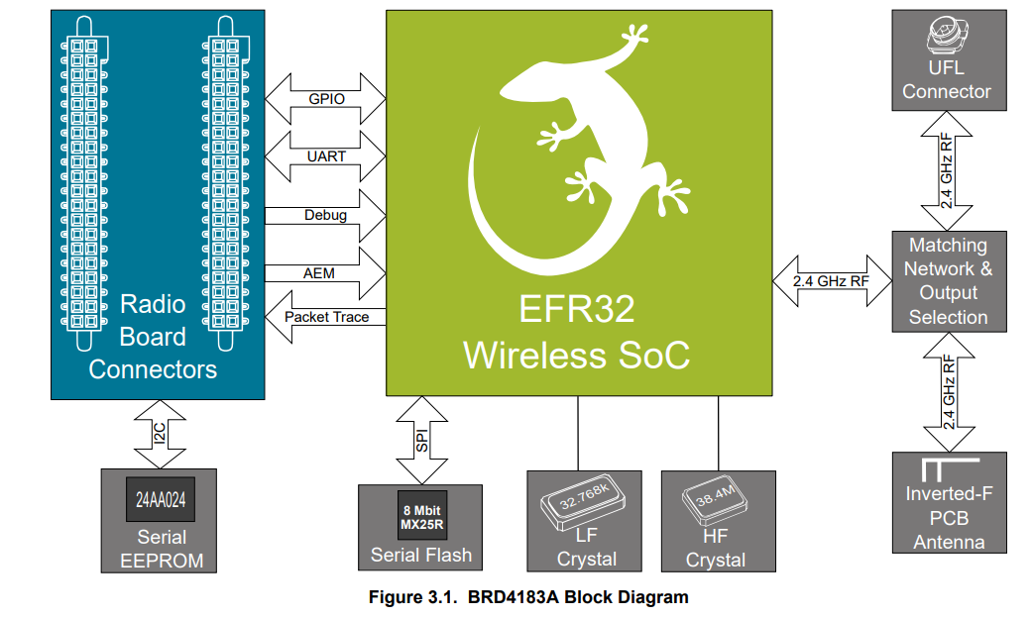
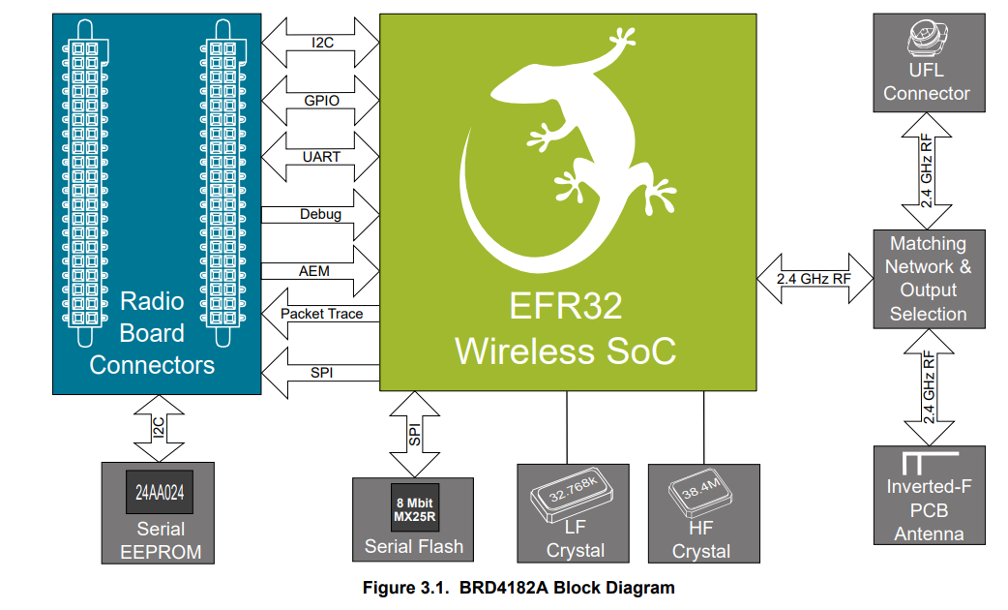
BMS | Pin mapping for MasterRadio and Slaves (BRD4001/4182A and 4183A EVB)

Pin Mapping MASTER/SLAVE EFR32xG22 (BRD4182A - QFN 40 pin) |  |  |  |  |  |  |  |  | Pin Mapping SLAVE EFR32xG22 (BRD4183A - QFN 32 pin) |  |  |  |  |  |  |  |  |  |  |  | Pin Mapping Slot - Test Daughter Board EFR32xG22 (BRD4183A - QFN 32 pin)

Function | Signal | Expansion Header | Top/Bottom Header | CPU Port | Master | Slave | Remark |  | Function | Signal | Expansion Header | Top/Bottom Header | CPU Port | Master | Slave | Remark |  |  |  |  | Function | Signal | Exp. Header | CPU Port | Implemented
A/D | 1 | - | P25/F20 | PC04 | - | Y | Single A/D | ---> | A/D | 1 | - | P25/F20 | PC04 | - | Y | Single A/D |  |  |  | V | A/D | 1 | - | PC04 | N
A/D | 2 | - | P27/F19 | PC05 | - | Y | Single A/D | ---> | A/D | 2 | - | P27/F19 | PC05 | - | Y | Single A/D |  |  |  | V | A/D | 2 | - | PC05 | N
A/D | 3 | H15 | P12 | PB02 | - | Y | Single A/D |  | A/D | 3 | H15 | P12 | PB02 | - | Y | Single A/D | 1) |  | PB02 | V | A/D | 3 | H15 | PB02 | N

DEBUG DOUT | 1 | H9 | P6/F13 | PB01 | Y | Y | TX | ---> | DEBUG DOUT | 1 | H9 | P6/F13 | PB01 | Y | Y | TX | 2) |  |  | X
DEBUG DOUT | 2 | H11 | P12 | PD02 | Y | Y | RX | ---X | DEBUG DOUT | 2 | H11 | P12 | PD02 | Y | Y | RX |  | ? |  | X
DEBUG DOUT | 3 | H13 | P10/F11 | PD03 | Y | Y | Misc | ---X | DEBUG DOUT | 3 | H13 | P10/F11 | PD03 | Y | Y | Misc |  | ? |  | X

DEBUG | TCK_SWCLK | - | P16/F1 | PA01 | Y | Y | Debug/Download | ---> | DEBUG | TCK_SWCLK | - | P16/F1 | PA01 | Y | Y | Debug/Download |  |  |  | V | DEBUG | TCK_SWCLK | - | PA01 | N
DEBUG | TMS_SWDIO | - | P18/F0 | PA02 | Y | Y | Debug/Download | ---> | DEBUG | TMS_SWDIO | - | P18/F0 | PA02 | Y | Y | Debug/Download |  |  |  | V | DEBUG | TMS_SWDIO | - | PA02 | N
DEBUG | TDO_SWO | - | P20/F2 | PA03 | Y | Y | Debug/Download | ---> | DEBUG | TDO_SWO | - | P20/F2 | PA03 | Y | Y | Debug/Download |  |  |  | V | DEBUG | TDO_SWO | - | PA03 | N

DIN | BTN0 | H7 | P4/F12 | PB00 | Y | Y | Button 0 | ---> | DIN | BTN0 | H7 | P4/F12 | PB00 | Y | Y | Button 0 |  |  |  | V | DIN | BTN0 | H7 | PB00 | N
DIN | ALARM_TEMP | - | P22 | PA04 | - | Y |  | ---> | DIN | ALARM_TEMP | H7 | P4/F12 | PB00 | - | Y | Not implemented |  |  |  | V | DIN | ALARM_TEMP | H7 | PB00 | N

PWM | 0 | - | P14/F18 | PA00 | - | Y | 150kHZ / 250 steps | ---> | PWM | 0 | - | P14/F18 | PA00 | - | Y | 150kHZ / 250 steps |  |  | VCOM_RTS disabled | V | PWM | 0 | - | PA00 | N
PWM | 1 | P7 | H10 | PC03 | - | Y | 150kHZ / 250 steps | ---X | PWM | 1 | P7 | H10 | PC03 | - | Y | 150kHZ / 250 steps |  | ? |  | X

UART/US1 | TxD | H12 | P9/F6 | PA05 | Y | Y | VCOM RTS (PA07)/CTS(PA08) disabled | ---> | UART/US1 | TxD | H12 | P9/F6 | PA05 | Y | Y | VCOM RTS (PA07)/CTS(PA08) disabled |  |  |  | V | UART/US1 | TxD | H12 | PA05 | Y
UART/US1 | RxD | H14 | P11/F7 | PA06 | Y | Y | VCOM RTS (PA07)/CTS(PA08) disabled | ---> | UART/US1 | RxD | H14 | P11/F7 | PA06 | Y | Y | VCOM RTS (PA07)/CTS(PA08) disabled |  |  |  | V | UART/US1 | RxD | H14 | PA06 | Y
UART/US1 | ENABLE | - | P15/F5 | PB04 | Y | Y |  | ---X | UART/US1 | ENABLE | - | P15/F5 | PB04 | Y | Y |  | 2) | ? | PB01 | V | UART/US1 | ENABLE | - | PB04 | N

I2C0 | SCL | H15 | P12 | PB02 | - | Y |  | ---> | I2C0 | SCL | H15 | P12 | PB02 | - | Y |  | 1) |  | VCOM_CTS disabled | X
I2C0 | SDA | H16 | P13 | PB03 | - | Y |  | ---X | I2C0 | SDA | H16 | P13 | PB03 | - | Y |  |  | ? |  | X
I2C0 | ENABLE | - | P31/F14 | PC07 | - | Y | Enbale onboard T&H sensor | ---X | I2C0 | ENABLE | - | P31/F14 | PC07 | - | Y | Enbale onboard T&H sensor |  | ? |  | X

SPI/US0 | MOSI | H4 | P1/F16 | PC00 | Y | Y | SPI 1Mbps | ---> | SPI/US0 | MOSI | H4 | P1/F16 | PC00 | Y | Y | SPI 1Mbps |  |  |  | V | SPI/US0 | MOSI | H4 | PC00 | N
SPI/US0 | MISO | H6 | P3/P0 | PC01 | Y | Y | SPI 1Mbps | ---> | SPI/US0 | MISO | H6 | P3/P0 | PC01 | Y | Y | SPI 1Mbps |  |  |  | V | SPI/US0 | MISO | H6 | PC01 | N
SPI/US0 | SCLK | H8 | P5/F15 | PC02 | Y | Y | SPI 1Mbps | ---> | SPI/US0 | SCLK | H8 | P5/F15 | PC02 | Y | Y | SPI 1Mbps |  |  |  | V | SPI/US0 | SCLK | H8 | PC02 | N
SPI | CS_TEMP | - | P19/F9 | PA07 | Y | Y | Enable SPI Temp | ---X | SPI | CS_TEMP | - | P22 | PA04 | Y | Y | Enable SPI Temp |  |  |  | X
SPI | CS_DAC | H10 | P7 | PC03 | - | Y | Enable SPI DAC | ---> | SPI | CS_DAC | H10 | P7 | PC03 | - | Y | Enable SPI DAC |  |  |  | V | SPI | CS_DAC | H10 | PC03 | N

SPI/PTI | CLK | - | P29/F17 | PC06 | Y | - | Future feature (EFR32 as transceiver) | ---X | SPI/PTI | CLK | - | P29/F17 | PC06 | Y | - | Future feature (EFR32 as transceiver) |  | ? | ? | N/A (Slave)
SPI/PTI | DFRAME | - | P27/F19 | PC05 | Y | - | Future feature (EFR32 as transceiver) | ---> | SPI/PTI | DFRAME | - | P27/F19 | PC05 | Y | - | Future feature (EFR32 as transceiver) |  |  |  | N/A (Slave)
SPI/PTI | DOUT | - | P25/F20 | PC04 | Y | - | Future feature (EFR32 as transceiver) | ---> | SPI/PTI | DOUT | - | P25/F20 | PC04 | Y | - | Future feature (EFR32 as transceiver) |  |  |  | N/A (Slave)

LFXTAL | - | - | - | PD00 | ? | ? | LF 32.768kHz Is used? | ---> | LFXTAL | - | - | - | PD00 | ? | ? | LF 32.768kHz Is used? |  |  |  | V
LFXTAL | - | - | - | PD01 | ? | ? | LF 32.768kHz Is used? | ---> | LFXTAL | - | - | - | PD01 | ? | ? | LF 32.768kHz Is used? |  |  |  | V

Spare |  | - | P21/F8 | PA08 | Y | Y | VCOM CTS | ---X |  | CS_DAC
Spare |  | - | P14/F18 | PA00 | Y | - |  |  |  | AD3
Spare |  | - | P22 | PA04 | Y | -
Spare |  | H15 | P12 | PB02 | Y | -
Spare |  | H16 | P13 | PB03 | Y | - |  | ---X
Spare |  | H10 | P7 | PC03 | Y | -
Spare |  | - | P31/F14 | PC07 | Y | - |  | ---X

Radio Protocol
BMS | Radio Protocol concept between MasterRadio and Slaves

Radio message structure

 |  |  | Radio START/Transition |  |  |  |  |  | Preamble |  |  |  |  | Synchro |  | Payload |  |  |  |  |  | CRC |  | Radio STOP/Transition
 |  |  | <-----see specs-----> |  |  |  |  |  | <-------40-------> |  |  |  |  | <-16-> |  | <---------6---------> |  |  |  |  |  | <-16-> |  | <-----see specs----->
 |  |  |  |  |  |  |  |  | bits |  |  |  |  | bits |  | bytes |  |  |  |  |  | bits

Specifications
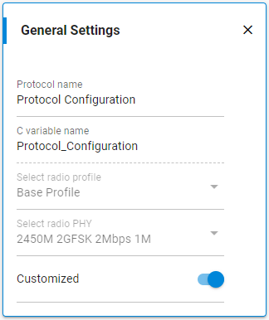
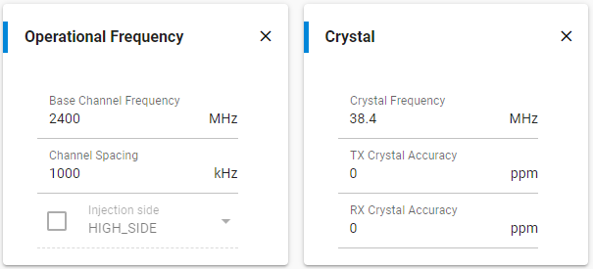
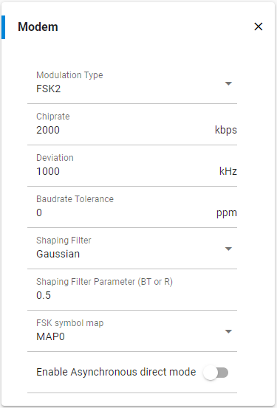
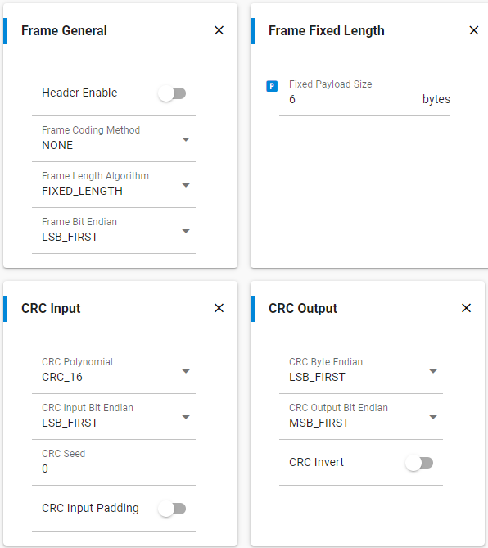

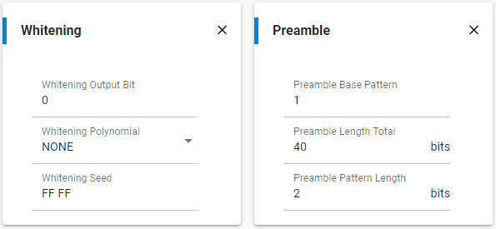

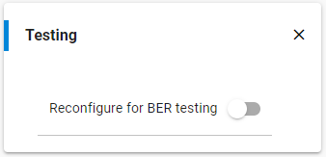

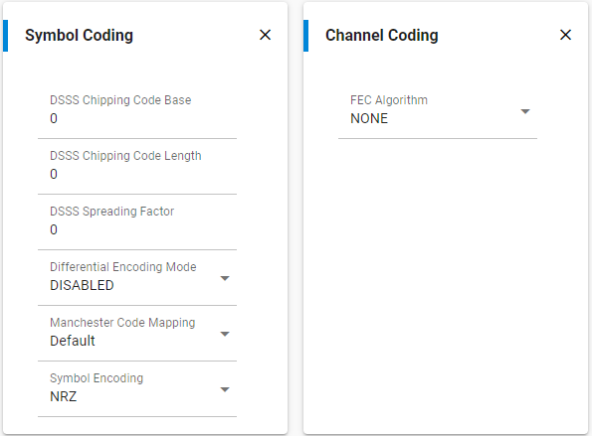
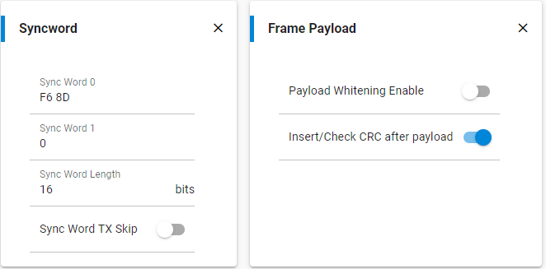

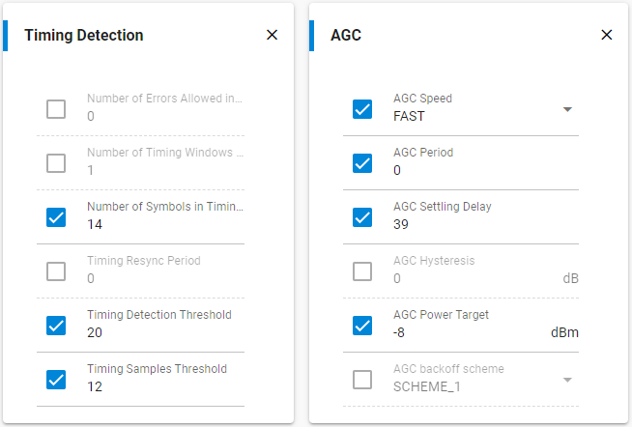

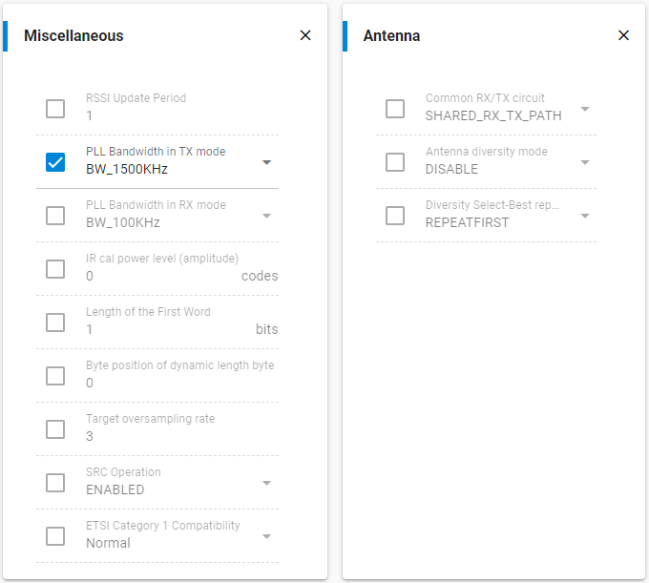

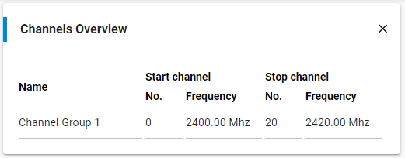

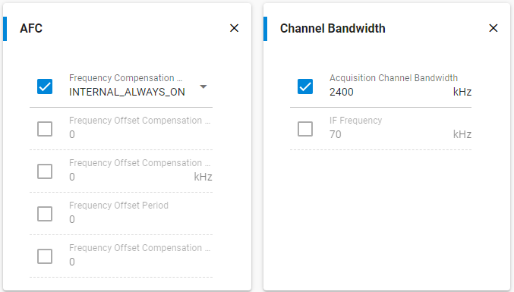

Synchronous (priodical) exchange (commands / replies) between MasterRadio and all Slaves --> 20 ms time loop
Protocol | (Payload point of view) |  |  | Radio sequences |  |  |  |  |  | Acquisitions sequence + critical actions |  |  |  |  |  |  |  |  |  |  | Processing algorithms + outputs |  |  |  |  |  |  |  |  | Idle sequence |  |  |  |  | Errors
 |  |  |  | TX / RX / Errors / Transitions |  |  |  |  |  | ADC / DigInp / ADC_I2C / Radio cmd |  |  |  |  |  |  |  |  |  |  | DigOut / PWM
Broadcast (Master to all Slaves)
 |  |  | CMD |  |  | See "Radio Frames" tab for the list of broadcast commands
Timing
 |  |  | <----------------------------------------------------------------------20 ms--------------------------------------------------------------------------------> |  |  |  |  |  |  |  |  |  |  |  |  |  |  |  |  |  |  |  |  |  |  |  |  |  | <----------------------------------------------------------------------20 ms-------------------------------------------------------------------------------->
Master ---> | Slave |  | CMD |  |  |  |  |  |  |  |  |  |  |  |  |  |  |  |  |  |  |  |  |  |  |  |  |  | CMD
Slave#1 --> | Master |  |  |  | ACQ | DATA#1 |  | HANDLE |  |  |  |  |  |  |  |  |  |  |  |  |  |  |  |  |  |  |  |  |  |  | ACQ | DATA#1 |  | HANDLE
Slave#2 --> | Master |  |  |  | ACQ | <---wait---> |  | DATA#2 |  | HANDLE |  |  |  |  |  |  |  |  |  |  |  |  |  |  |  |  |  |  |  |  | ACQ | <---wait---> |  | DATA#2 |  | HANDLE
Slave#3 --> | Master |  |  |  | ACQ | <---wait schedule TX---> |  |  |  | DATA#3 |  | HANDLE |  |  |  |  |  |  |  |  |  |  |  |  |  |  |  |  |  |  | ACQ | <---wait schedule TX---> |  |  |  | DATA#3 |  | HANDLE
Slave#4 --> | Master |  |  |  | ACQ | <---wait schedule TX-------------------> |  |  |  |  |  | DATA#4 |  |  |  |  |  |  |  |  |  |  |  |  |  |  |  |  |  |  | ACQ | <---wait schedule TX-------------------> |  |  |  |  |  | DATA#4
 |  |  |  |  |  |  |  |  |  |  |  |  |  |  | … |  |  |  |  |  |  |  |  |  |  |  |  |  |  |  |  |  |  |  |  |  |  |  |  | …
 |  |  |  |  | … |  |  |  |  |  |  |  |  |  |  | … |  |  |  |  |  |  |  |  |  |  |  |  |  |  | … |  |  |  |  |  |  |  |  |  | …

Slave#97 --> | Master |  |  |  | ACQ | <---wait schedule TX-------------------------------------------------------------------> |  |  |  |  |  |  |  |  |  |  |  | DATA#97 |  | HANDLE |  |  |  |  |  |  |  |  |  |  | ACQ | <---wait schedule TX-------------------------------------------------------------------> |  |  |  |  |  |  |  |  |  |  | DATA#97 | HANDLE
Slave#98 --> | Master |  |  |  | ACQ | <---wait schedule TX-----------------------------------------------------------------------------------> |  |  |  |  |  |  |  |  |  |  |  |  |  | DATA#98 |  | HANDLE |  |  |  |  |  |  |  |  | ACQ | <---wait schedule TX-----------------------------------------------------------------------------------> |  |  |  |  |  |  |  |  |  |  |  | DATA#98 | HANDLE
Slave#99 --> | Master |  |  |  | ACQ | <---wait schedule TX---------------------------------------------------------------------------------------------------> |  |  |  |  |  |  |  |  |  |  |  |  |  |  |  | DATA#99 |  | HANDLE |  |  |  |  |  |  | ACQ | <---wait schedule TX---------------------------------------------------------------------------------------------------> |  |  |  |  |  |  |  |  |  |  |  |  | DATA#99 | HANDLE
Slave#100 -> | Master |  |  |  | ACQ | <---wait schedule TX-------------------------------------------------------------------------------------------------------------------> |  |  |  |  |  |  |  |  |  |  |  |  |  |  |  |  |  | DATA#100 |  | HANDLE |  |  |  |  | ACQ | <---wait schedule TX-------------------------------------------------------------------------------------------------------------------> |  |  |  |  |  |  |  |  |  |  |  |  |  | DATA#100 | HANDLE
 |  |  |  |  | <----------------------------------------------------------------------20 ms--------------------------------------------------------------------------------> |  |  |  |  |  |  |  |  |  |  |  |  |  |  |  |  |  |  |  |  |  |  |  |  |  | <----------------------------------------------------------------------20 ms-------------------------------------------------------------------------------->

Phases

Master |  | Phase | CMD |  | ACQ | DATA#1 |  | DATA#2 |  | DATA#3 |  | DATA#4 |  |  | … | … |  | DATA#97 |  | DATA#98 |  | DATA#99 |  | DATA#100 |  | HANDLE |  | IDLE | CMD |  | ACQ | DATA#1 |  | DATA#2 |  | DATA#3 |  | DATA#4 |  | … | … |  | DATA#97 | DATA#98 | DATA#99 | DATA#100 | HANDLE | IDLE
 |  | Radio | <---TX---> |  | <---RX--------------------------------------------------------------------------------------------------------------------------------------------> |  |  |  |  |  |  |  |  |  |  |  |  |  |  |  |  |  |  |  |  |  |  |  | <---TX---> |  | <---RX-------------------------------------------------------------------------------------------------------------------------------------------->

Slave |  | Phase | IDLE | CMD | ACQ | IDLE |  |  |  |  |  |  |  |  |  |  |  | DATA |  | HANDLE |  | IDLE |  |  |  |  |  |  |  | CMD | ACQ | IDLE |  |  |  |  |  |  |  |  |  |  | DATA | HANDLE | IDLE |  |  |  | CMD
 |  | Radio | <---RX---> |  | <---TX SCHEDULE---------------------------------------------------------------> |  |  |  |  |  |  |  |  |  |  |  |  | <---TX---> |  | <---RX-----------------------------------------------------------> |  |  |  |  |  |  |  |  |  |  | <---TX SCHEDULE---------------------------------------------------------------> |  |  |  |  |  |  |  |  |  |  |  | <---TX---> | <---RX----------------------------------------------------------->

Exceptions

Master |  | TX-Error | CMD |  | CMD |  | ACQ | DATA#1 |  | DATA#2 |  | DATA#3 |  | DATA#4 |  |  | … | … |  | DATA#97 |  | DATA#98 |  | DATA#99 |  | DATA#100 |  | HANDLE |  |  | CMD |  | ACQ | DATA#1 |  | DATA#2 |  | DATA#3 | DATA#4 |  |  | … | …
 |  | ---> TX
 |  | RX-Error | CMD |  | ACQ | DATA#1 |  | DATA#2 |  |  |  | DATA#4 |  |  | … | … |  | DATA#97 |  | DATA#98 |  | DATA#99 |  | DATA#100 |  | HANDLE |  |  | CMD |  | ACQ | DATA#1 |  | DATA#2 |  | DATA#3 |  | DATA#4 |  | … | … |  | DATA#97 | DATA#98 | DATA#99 | DATA#100 | HANDLE
 |  | ---> RX

Slave |  | TX-Error | IDLE | CMD | ACQ | IDLE |  |  |  |  |  |  |  |  |  |  |  | DATA |  | HANDLE |  | IDLE |  |  |  |  |  |  |  | CMD | ACQ | IDLE |  |  |  |  |  |  |  |  |  |  | DATA | HANDLE | IDLE
 |  | ---> RX
 |  | RX-Error | IDLE | CMD | IDLE |  |  |  |  |  |  |  |  |  |  |  |  |  |  |  |  |  |  |  |  |  |  |  |  | CMD | ACQ | IDLE |  |  |  |  |  |  |  |  |  |  | DATA | HANDLE | IDLE
 |  | ---> RX

Asynchronous exchange (commands / replies) between MasterRadio and Slaves --> no given time loop
Unicast (Master to a specific Slave)
 |  |  | CMD |  |  | See "Radio Frames" tab for the list of unicast commands
Timing

Master ---> | Slave #X |  | CMDA->X
Slave#X --> | Master |  |  |  | ACQ | DATA#X
Master ---> | Slave #Y |  |  |  |  |  |  |  | CMDA->Y
Slave#Y --> | Master |  |  |  |  |  |  |  |  |  | ACQ | DATA#Y

Master ---> | Slave #X |  |  |  |  |  |  |  |  |  |  |  |  |  |  | CMDB->X
Slave#X --> | Master |  |  |  |  |  |  |  |  |  |  |  |  |  |  |  |  | ACQ | DATA1#X |  | DATA2#X |  | DATA3#X |  | DATA4#X |  |  | … | DATAn#X

Phases

Master |  | Phase | CMDA->X |  | ACQ | DATA#X |  | IDLE | CMDA->Y |  | ACQ | DATA#Y |  |  | … | CMDB->X |  | ACQ | DATA1#X |  | DATA2#X |  | DATA3#X |  | DATA4#X |  |  | … | DATAn#X |  | IDLE
 |  | Radio | <---TX---> |  | <---RX--------------> |  |  |  | <---TX---> |  | <---RX---------------------> |  |  |  |  | <---TX---> |  | <---RX----------------------------------------------------------------------------------------------------------------------------------------------------------------------------------------------------------------------------->

Slave #X |  | Phase | IDLE | CMD | ACQ | DATA#X |  | HANDLE |  | IDLE |  |  |  |  |  |  | CMD | ACQ | DATA1#X |  | DATA2#X |  | DATA3#X |  | DATA4#X |  |  | … | DATAn#X |  | HANDLE |  | IDLE
 |  | Radio | <-----RX------> |  |  | <--TX---> |  | <-----RX---------------------------------------------------------> |  |  |  |  |  |  |  |  |  |  | <--TX------------------------------------------------------------------> |  |  |  |  |  |  |  |  |  |  |  | <-----RX----------------------------------------------------------------------------------------------------------------------------------------->

Slave #Y |  | Phase | IDLE |  |  |  |  |  | CMD | ACQ | DATA#Y |  | HANDLE |  | IDLE
 |  | Radio | <-----RX--------------------------------------> |  |  |  |  |  |  |  | <--TX---> |  | <-----RX---------------------------------------------------------------------------------------------------------------------------------------------------------------------------------------------------------------------------------------------------------->

Exceptions

Master |  | TX-Error | CMDA->X |  | CMDA->X |  | ACQ | DATA#X |  | IDLE | CMDA->Y |  | ACQ | DATA#Y |  |  | … | CMDB->X |  | ACQ | DATA1#X |  | DATA2#X |  | DATA3#X |  | DATA4#X |  |  | … | DATAn#X |  | IDLE
 |  | ---> TX
 |  | RX-Error | CMDA->X |  | ACQ | DATA#X |  | IDLE | CMDA->Y |  | ACQ | DATA#Y |  | Wait |  |  |  | CMDA->Y |  | ACQ | DATA#Y |  |  | … | CMDB->X |  | ACQ | DATA1#X |  | DATA2#X |  | DATA3#X |  | DATA4#X |  |  | … | DATAn#X | IDLE
 | F | ---> TX

Slave #X |  | TX-Error | IDLE | CMD | ACQ | DATA#X |  | HANDLE |  | IDLE |  |  |  |  |  |  | CMD | ACQ | DATA1#X |  | DATA2#X |  | DATA3#X |  | DATA3#X |  | DATA4#X |  |  | … | DATAn#X |  | HANDLE |  | IDLE
 | F | ---> TX
 |  | RX-Error | IDLE | CMD | IDLE |  |  |  |  |  |  |  |  |  |  |  |  |  |  |  |  | CMD | ACQ | DATA1#X |  | DATA2#X |  | DATA3#X |  | DATA4#X |  |  | … | DATAn#X |  | IDLE
 |  | ---> RX

SPI Protocol
BMS | SPI Protocol concept between Master and MasterRadio

SPI message structure

 |  | CS

 |  | MISO/MOSI | Payload
 |  |  | <---------6--------->
 |  |  | bytes

Specifications
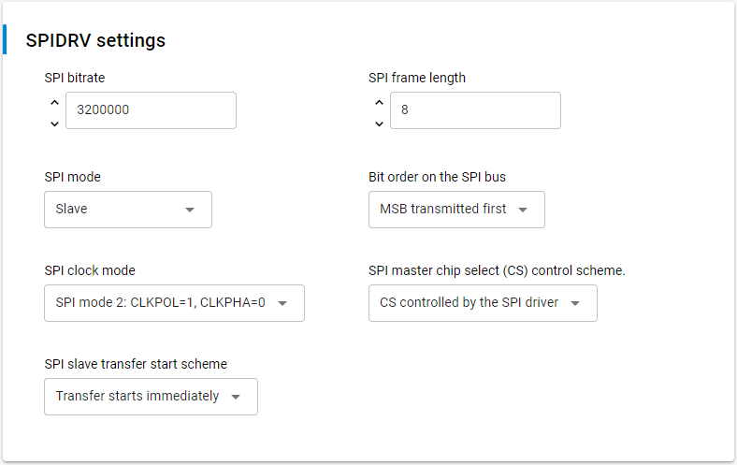
SPI |  | Mode 2
Speed |  | 3200000
Frame size |  | 8 bytes
CLK |  | Rising edge
CS |  | Active low | CS remains active for 1 byte payload
Master |  | Master
Slave |  | MasterRadio

Protocol | (Payload point of view) |  | See "Radio Protocol" tab -> only for MasterRadio to Slave parts

PTI Protocol
BMS | PTI Protocol concept between Master, MasterRadio and Slaves

PTI message structure

 |  | CS

 |  | DOUT |  | Payload |  |  |  |  | CRC |  |  |  |  |  |  |  |  |  |  | Data from MasterRadio: Total = 13 bytes
 |  |  | <1> | <---------6---------> |  |  |  |  | <-16-> |  | <1> | <1> | <1> | <1> | <1> |  |  |  |  | Data from Slave: Total = 14 bytes
 |  |  | bytes | bytes |  |  |  |  | bits |  | bytes | bytes | bytes | bytes | bytes
 |  |  |  |  |  |  |  |  |  |  |  |  |  |  |  |  | 0xFC |  | 0xFC | Data sent by MasterRadio
 |  |  |  |  |  |  |  |  |  |  |  |  |  |  |  |  | 0xF8 |  | 0xF8 | Data receive from MasterRadio (e.g data sent by Slaves)

 |  |  |  |  |  |  |  |  |  |  |  |  |  |  |  | Payload |  |  |  | See "Radio Frames" tab

 |  |  |  |  |  |  |  |  |  |  |  |  |  |  |  |  | CRC |  |  | See "Radio Protocol" tab

 |  |  |  |  |  |  |  |  |  |  |  |  |  |  |  |  |  |  | 0xFD | TX success (MasterRadio)
 |  |  |  |  |  |  |  |  |  |  |  |  |  |  |  |  |  |  | 0xF9 | RX sucess (Slaves)

 |  |  | Data sent by MasterRadio to Slaves (e.g from MasterRadio) |  |  |  |  |  |  |  |  |  |  |  |  |  |  | Data received by MasterRadio (e.g from Slave)

 |  |  |  |  | Radio info: |  |  |  |  |  |  |  |  | (0x00) |  |  |  |  |  | RSSI offset32 |  |  |  |  |  |  |  | int8
 |  |  |  |  | 0 |  |  |  |  |  |  |  |  | Antenna Select (0x00) |  |  |  |  |  | -xx … + yy dBm |  |  |  |  |  |  |  | ???
 |  |  |  |  |  | 0 |  |  |  |  |  |  |  | Sync Word Select (0x00)
 |  |  |  |  |  |  | 0 | 0 | 0 | 0 | 0 | 0 |  | Channel Number [0..63] (0x00)

 |  |  |  |  | Status byte;: |  |  |  |  |  |  |  |  | (0x00) |  |  |  |  |  | Radio info: |  |  |  |  |  |  |  | (0x00)
 |  |  |  |  | X | X | X | X |  |  |  |  |  | Error Code (Success = 0x00) |  |  |  |  |  | 0 |  |  |  |  |  |  |  | Antenna Select (0x00)
 |  |  |  |  |  |  | 0 | 0 | 0 | 0 | 0 | 0 |  | Protocol ID (Custom = 0x00) |  |  |  |  |  |  | 0 |  |  |  |  |  |  | Sync Word Select (0x00)
 |  |  |  |  |  |  |  |  |  |  |  |  |  |  |  |  |  |  |  |  |  | 0 | 0 | 0 | 0 | 0 | 0 | Channel Number [0..63] (0x00)

 |  |  |  |  | Info Configuration: |  |  |  |  |  |  |  |  | (0x01) |  |  |  |  |  | Status byte;: |  |  |  |  |  |  |  | (0x00)
 |  |  |  |  |  | 0 |  |  |  |  |  |  |  | TX/RX Indicator (TX = 0) |  |  |  |  |  | X | X | X | X |  |  |  |  | Error Code (Success = 0x00)
 |  |  |  |  |  |  | 0 | 0 | 0 |  |  |  |  | Appended info Length (0x00) |  |  |  |  |  |  |  | 0 | 0 | 0 | 0 | 0 | 0 | Protocol ID (Custom = 0x00)
 |  |  |  |  |  |  |  |  |  | 0 | 0 | 1 |  | Appended Info Version (0x01)

 |  |  |  |  |  |  |  |  |  |  |  |  |  |  |  |  |  |  |  | Info Configuration: |  |  |  |  |  |  |  | (0x49)
 |  |  |  |  |  |  |  |  |  |  |  |  |  |  |  |  |  |  |  |  | 1 |  |  |  |  |  |  | TX/RX Indicator (RX = 1)
 |  |  |  |  |  |  |  |  |  |  |  |  |  |  |  |  |  |  |  |  |  | 0 | 0 | 1 |  |  |  | Appended info Length in bytes [0..7] (0x01)
 |  |  |  |  |  |  |  |  |  |  |  |  |  |  |  |  |  |  |  |  |  |  |  |  | 0 | 0 | 1 | Appended Info Version (0x01)

Specifications
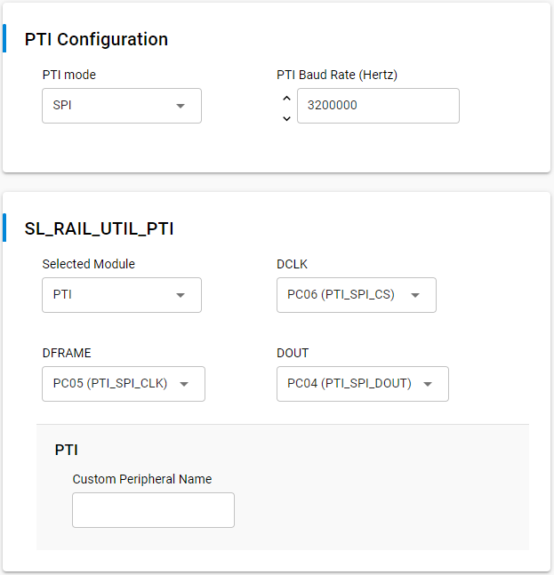
SPI |  | Mode ?
Speed |  | 3200000
Frame size |  | 8 bytes
CLK |  | Rising edge
CS |  | Active high | CS is active high and remains active until whole packet is sent/received
Master |  | MasterRadio
Slave |  | Master

Protocol | (Payload point of view) |  | See "Radio Protocol" tab

SPI frames
BMS | Messages SPI between Master and MasterRadio

Protocol definition |  |  | See "SPI Protocol" tab
Payload definition |  |  | See below

Common definition

 |  |  |  | R/W | ADDR |  |  |  | CMD
 |  |  |  | 47 | 46 |  |  | 40 | 39 | 38
 |  |  |  | <1> | <----------7-----------> |  |  |  | <--2-->

 |  |  | Read | 0 | 0x00 | Master |  |  | 0x00 |  | Invalid
 |  |  | Write | 1 | 0x01 | Slave #1 |  |  | 0x01 |  | Calibration/Setup-Info
 |  |  |  |  | … |  |  |  | 0x02 |  | Data
 |  |  |  |  | 0x64 | Slave #100 |  |  | 0x03 |  | Diagnostic/Service
 |  |  |  |  | 0x65 | Reserved
 |  |  |  |  | …
 |  |  |  |  | 0x7E | Reserved
 |  |  |  |  | 0x7F | MasterRadio

Master ---> | MasterRadio ---> |  | -> |  | [0x00] Master |  |  |  | -> | Unicast message (to be applied only by the MasterRadio)

Master ---> | MasterRadio ---> | Slaves | -> |  | [0x7F] MasterRadio |  |  |  | -> | Broadcast message (to be applied by all Slaves)

Master ---> | MasterRadio ---> | Slave | -> |  | [0x01-0x64] Slave |  |  |  | -> | Unicast message (to specific Slave)
Slave ---> | MasterRadio ---> | Master | -> |  | [0x01-0x64] Slave |  |  |  | -> | Not applicable (PTI is used for that case)

Slave ---> | Slave |  | -> |  | N/A |  |  |  | -> | Not applicable

From | To | CMD

Calibration

Master ---> | MasterRadio | 0x01 |  | R/W | ADDR |  |  |  | CMD |  | CHANNEL |  |  |  |  |  | BYTE_3 |  |  | BYTE_2 |  |  |  |  |  | BYTE_1 |  |  |  |  | BYTE_0
 |  |  |  | 47 | 46 |  |  | 40 | 39 | 38 | 37 |  |  |  |  | 32 | 31 |  | 24 | 23 |  |  |  |  | 16 | 15 |  |  |  | 8 | 7 |  | 0
 |  |  |  | <1> | <----------7-----------> |  |  |  | <--2--> |  | <--------6---------> |  |  |  |  |  | <------------8------------> |  |  | <------------8------------> |  |  |  |  |  | <------------8------------> |  |  |  |  | <------------8------------>

 |  |  |  | 0 | [0x00] Master |  |  |  | 0x01 |  | -> | Read specified factor/offset channel from MasterRadio
 |  |  |  | 1 | [0x00] Master |  |  |  | 0x01 |  | -> | Write specified factor/offset channel to MasterRadio
 |  |  |  | 0 | [0x7F] MasterRadio |  |  |  | 0x01 |  | -> | Read specified factor/offset channel from all Slaves
 |  |  | (*) | 1 | [0x7F] MasterRadio |  |  |  | 0x01 |  | -> | Write specified factor/offset channel to all Slaves
 |  |  | (1) | 0 | [0x01-0x64] Slave |  |  |  | 0x01 |  | -> | Read specified factor/offset channel from specified Slave
 |  |  | (1) | 1 | [0x01-0x64] Slave |  |  |  | 0x01 |  | -> | Write specified factor/offset channel to specified Slave

16 channels (8 meas) [00..15] |  |  |  |  |  |  |  | (1) |  | CH = 0x00 | 0 | 0 | 0 | 0 | 0 | 0 | See definition in "Radio Frames" tab
-> 4 channels (2 meas) [00..03] |  | for Slaves |  |  |  |  |  | (1) |  | CH = 0x01 | 0 | 0 | 0 | 0 | 0 | 1
-> 12 channels (6 meas) [04..15] |  | for MasterRadio |  |  |  |  |  | (1) |  | CH = 0x02 | 0 | 0 | 0 | 0 | 1 | 0
 |  |  |  |  |  |  |  | (1) |  | CH = 0x03 | 0 | 0 | 0 | 0 | 1 | 1
 |  |  |  |  |  |  |  | (1) |  | CH = 0x04 | 0 | 0 | 0 | 1 | 0 | 0
 |  |  |  |  |  |  |  | (1) |  | CH = 0x05 | 0 | 0 | 0 | 1 | 0 | 1
 |  | From here, specific to MasterRadio | ---> | 0/1 |  |  |  |  |  | CH = 0x06 | 0 | 0 | 0 | 1 | 0 | 0 | FACT_U_BAT_TOT (Def Val = 1.0) |  |  |  |  |  |  |  |  |  |  |  |  |  |  |  |  | [float32]
 |  |  |  | 0/1 |  |  |  |  |  | CH = 0x07 | 0 | 0 | 0 | 1 | 0 | 1 | FACT_U_BAT_TOT (Def Val = 1.0) |  |  |  |  |  |  |  |  |  |  |  |  |  |  |  |  | [float32]
 |  |  |  | 0/1 |  |  |  |  |  | CH = 0x08 | 0 | 0 | 0 | 1 | 0 | 0 | FACT_U_BAT_CELLS (Def Val = 1.0) |  |  |  |  |  |  |  |  |  |  |  |  |  |  |  |  | [float32]
 |  |  |  | 0/1 |  |  |  |  |  | CH = 0x09 | 0 | 0 | 0 | 1 | 0 | 1 | FACT_U_BAT_CELLS (Def Val = 1.0) |  |  |  |  |  |  |  |  |  |  |  |  |  |  |  |  | [float32]
 |  |  |  | 0/1 |  |  |  |  |  | CH = 0x0A | 0 | 0 | 0 | 1 | 0 | 0 | FACT_I_BAT (Def Val = 1.0) |  |  |  |  |  |  |  |  |  |  |  |  |  |  |  |  | [float32]
 |  |  |  | 0/1 |  |  |  |  |  | CH = 0x0B | 0 | 0 | 0 | 1 | 0 | 1 | FACT_I_BAT (Def Val = 1.0) |  |  |  |  |  |  |  |  |  |  |  |  |  |  |  |  | [float32]
 |  |  |  |  |  |  |  |  | … |  | … |  |  |  |  |  | …
 |  |  |  | 0/1 |  |  |  | (*) |  | CH = 0x0F | 0 | 0 | 1 | 1 | 1 | 1 | Reserved (0.0) |  |  |  |  |  |  |  |  |  |  |  |  |  |  |  |  | [float32]

 |  |  |  |  |  |  |  | (*) | Not implemented or not applicable
 |  |  |  |  |  |  |  | (1) | Reserved for calibration parameters in Slave (as today, MasterRadio don't have measure to calibrate)

MasterRadio ---> | Master | 0x01 |  | R/W | ADDR |  |  |  | CMD |  | CHANNEL |  |  |  |  |  | BYTE_3 |  |  | BYTE_2 |  |  |  |  |  | BYTE_1 |  |  |  |  | BYTE_0
 |  |  |  | 47 | 46 |  |  | 40 | 39 | 38 | 37 |  |  |  |  | 32 | 31 |  | 24 | 23 |  |  |  |  | 16 | 15 |  |  |  | 8 | 7 |  | 0
 |  |  |  | <1> | <----------7-----------> |  |  |  | <--2--> |  | <--------6---------> |  |  |  |  |  | <------------8------------> |  |  | <------------8------------> |  |  |  |  |  | <------------8------------> |  |  |  |  | <------------8------------>

 |  |  | (1) | 0 | [0x01-0x64] Slave |  |  |  | 0x01 |  | -> | Send specified factor/offset channel to MasterRadio
 |  |  | (*) | 1 | [0x01-0x64] Slave |  |  |  | 0x01 |  | -> | Not applicable
 |  |  | (*) | 0 | [0x7F] MasterRadio |  |  |  | 0x01 |  | -> | Not applicable
 |  |  | (*) | 1 | [0x7F] MasterRadio |  |  |  | 0x01 |  | -> | Not applicable
 |  |  |  | 0 | [0x00] Master |  |  |  | 0x01 |  | -> | Send specified factor/offset channel to Master
 |  |  | (*) | 1 | [0x00] Master |  |  |  | 0x01 |  | -> | Not applicable

16 channels (8 meas) [00..15] |  |  |  |  |  |  |  |  |  | CH = 0x00 | 0 | 0 | 0 | 0 | 0 | 0 | See definition under MasterRadio --> Slave part
-> 4 channels (2 meas) [00..03] |  | for Slaves |  |  |  |  |  |  | …
-> 12 channels (6 meas) [04..15] |  | for MasterRadio |  |  |  |  |  |  |  | CH = 0x0F | 0 | 0 | 1 | 1 | 1 | 1

 |  |  |  |  |  |  |  | (*) | Not implemented or not applicable
 |  |  |  |  |  |  |  | (1) | Implemented in the PTI interface

Setup-Info

Master ---> | MasterRadio | 0x01 |  | R/W | ADDR |  |  |  | CMD |  | CHANNEL |  |  |  |  |  | BYTE_3 |  |  | BYTE_2 |  |  |  |  |  | BYTE_1 |  |  |  |  | BYTE_0
 |  |  |  | 47 | 46 |  |  | 40 | 39 | 38 | 37 |  |  |  |  | 32 | 31 |  | 24 | 23 |  |  |  |  | 16 | 15 |  |  |  | 8 | 7 |  | 0
 |  |  |  | <1> | <----------7-----------> |  |  |  | <--2--> |  | <--------6---------> |  |  |  |  |  | <------------8------------> |  |  | <------------8------------> |  |  |  |  |  | <------------8------------> |  |  |  |  | <------------8------------>

 |  |  |  | 0 | [0x00] Master |  |  |  | 0x01 |  | -> | Read specified data channel from MasterRadio; not applicable to channels {0x10, 0x11, 0x12, 0x13, 0x14}
 |  |  |  | 1 | [0x00] Master |  |  |  | 0x01 |  | -> | Write specified data channel to MasterRadio; not applicable to channels {0x15, 0x17, 0x19}
 |  |  |  | 0 | [0x7F] MasterRadio |  |  |  | 0x01 |  | -> | Read specified data channel from all Slaves; not applicable to channels {0x10, 0x11, 0x12, 0x13, 0x14}
 |  |  |  | 1 | [0x7F] MasterRadio |  |  |  | 0x01 |  | -> | Write specified data channel to all Slaves; not applicable to channels {0x15, 0x17, 0x19}
 |  |  |  | 0 | [0x01-0x64] Slave |  |  |  | 0x01 |  | -> | Read specified data channel from specified Slave; not applicable to channels {0x10, 0x11, 0x12, 0x13}
 |  |  |  | 1 | [0x01-0x64] Slave |  |  |  | 0x01 |  | -> | Write specified data channel to specified Slave; not applicable to channels {0x10, 0x11, 0x12, 0x13}

48 channels [16..63] |  |  |  |  |  |  |  | (2) |  | CH = 0x10 | 0 | 1 | 0 | 0 | 0 | 0 | See definition in "Radio Frames" tab
-> 24 channels [16..39] |  | for Slaves |  |  |  |  |  | (2) | … |  | …
-> 24 channels [40..63] |  | for MasterRadio |  |  |  |  |  | (2) |  | CH = 0x27 | 1 | 1 | 1 | 1 | 1 | 1
 |  | From here, specific to MasterRadio | ---> | 0/1 |  |  |  | (5) |  | CH = 0x28 | 1 | 0 | 1 | 0 | 0 | 0 | Reserved (0x0000) |  |  |  |  |  |  |  |  | Sync Period [us] |  |  |  |  |  |  |  | [2x uint16]
 |  |  |  | 0/1 |  |  |  |  |  | CH = 0x29 | 1 | 0 | 1 | 0 | 0 | 1 | XXXX_TBD |  |  |  |  |  |  |  |  |  |  |  |  |  |  |  |  | [uint32]
 |  |  |  | … |  |  |  | (5) | … |  | … |  |  |  |  |  | …
 |  |  |  | X |  |  |  | (5) |  | CH = 0x3F | 1 | 1 | 1 | 1 | 1 | 1 | Reserved (0x00000000) |  |  |  |  |  |  |  |  |  |  |  |  |  |  |  |  | [uint32]

 |  |  |  |  |  |  |  | (*) | Not implemented or not applicable
 |  |  |  |  |  |  |  | (1) | Implemented in the PTI interface
 |  |  |  |  |  |  |  | (2) | Reserved for setup parameters in Slave

MasterRadio ---> | Master | 0x01 |  | R/W | ADDR |  |  |  | CMD |  | CHANNEL |  |  |  |  |  | BYTE_3 |  |  | BYTE_2 |  |  |  |  |  | BYTE_1 |  |  |  |  | BYTE_0
 |  |  |  | 47 | 46 |  |  | 40 | 39 | 38 | 37 |  |  |  |  | 32 | 31 |  | 24 | 23 |  |  |  |  | 16 | 15 |  |  |  | 8 | 7 |  | 0
 |  |  |  | <1> | <----------7-----------> |  |  |  | <--2--> |  | <--------6---------> |  |  |  |  |  | <------------8------------> |  |  | <------------8------------> |  |  |  |  |  | <------------8------------> |  |  |  |  | <------------8------------>

 |  |  | (1) | 0 | [0x01-0x64] Slave |  |  |  | 0x01 |  | -> | Send specified data channel to MasterRadio
 |  |  | (*) | 1 | [0x01-0x64] Slave |  |  |  | 0x01 |  | -> | Not applicable
 |  |  | (*) | 0 | [0x7F] MasterRadio |  |  |  | 0x01 |  | -> | Not applicable
 |  |  | (*) | 1 | [0x7F] MasterRadio |  |  |  | 0x01 |  | -> | Not applicable
 |  |  |  | 0 | [0x00] Master |  |  |  | 0x01 |  | -> | Send specified data channel to Master
 |  |  | (*) | 1 | [0x00] Master |  |  |  | 0x01 |  | -> | Not applicable

48 channels [16..63] |  |  |  |  |  |  |  |  |  | CH = 0x10 | 0 | 1 | 0 | 0 | 0 | 0 | See definition under MasterRadio --> Slave part
-> 24 channels [16..39] |  | for Slaves |  |  |  |  |  |  | … |  | …
-> 24 channels [40..63] |  | for MasterRadio |  |  |  |  |  |  |  | CH = 0x27 | 1 | 1 | 1 | 1 | 1 | 1

 |  |  |  |  |  |  |  | (*) | Not implemented or not applicable
 |  |  |  |  |  |  |  | (1) | Implemented in the PTI interface

Data

Master ---> | MasterRadio | 0x02 |  | R/W | ADDR |  |  |  | CMD |  | Counter |  |  |  |  |  | CONS_CELL_VOLTAGE |  |  |  |  | CONS_XFER_ENERGY |  |  |  |  |  |  |  |  | CONS_HEAT
 |  |  |  | 47 | 46 |  |  | 40 | 39 | 38 | 37 |  |  |  |  | 32 | 31 |  |  |  | 20 | 19 |  |  |  |  |  |  |  | 8 | 7 |  | 0
 |  |  |  | <1> | <----------7-----------> |  |  |  | <--2--> |  | <--------6---------> |  |  |  |  |  | <-------------------12------------------> |  |  |  |  | <-------------------12------------------> |  |  |  |  |  |  |  |  | <------------8------------>
Master# | Period [ms]
 |  |  | (*) | 0 | [0x00] Master |  |  |  | 0x02 |  | -> | Not applicable
0 | 20.000 |  | (*) | 1 | [0x00] Master |  |  |  | 0x02 |  | -> | Set {CONS_CELL_VOLTAGE; CONS_XFER_ENERGY; CONS_HEAT} for Slaves

 |  |  | (*) | 0 | [0x7F] MasterRadio |  |  |  | 0x02 |  | -> | Read last {CONS_CELL_VOLTAGE; CONS_XFER_ENERGY; CONS_HEAT} from all Slaves
 |  |  | (1) | 1 | [0x7F] MasterRadio |  |  |  | 0x02 |  | -> | Sync acquisitions on all Slaves, set {CONS_CELL_VOLTAGE; CONS_XFER_ENERGY; CONS_HEAT} and start scheduled replies from all Slaves
 |  |  | (*) | 0 | [0x01-0x64] Slave |  |  |  | 0x02 |  | -> | Read last {CONS_CELL_VOLTAGE; CONS_XFER_ENERGY; CONS_HEAT} from specified Slave
 |  |  | (*) | 1 | [0x01-0x64] Slave |  |  |  | 0x02 |  | -> | Start acquisitions on specified Slave and immediate reply from specified Slave

 |  |  |  |  |  |  |  |  |  |  | Counter |  |  |  |  |  | CONS_CELL_VOLTAGE |  |  |  |  | CONS_XFER_ENERGY |  |  |  |  |  |  |  |  | CONS_HEAT
 |  |  |  |  |  |  |  |  |  |  | Counter Master |  |  |  |  |  | See definition in "Radio Frames" tab |  |  |  |  | See definition in "Radio Frames" tab |  |  |  |  |  |  |  |  | See definition in "Radio Frames" tab
 |  |  |  |  |  |  |  |  |  |  | See definition in "Radio Frames" tab

 |  |  |  |  |  |  |  | (*) | Not implemented or not applicable
 |  |  |  |  |  |  |  | (1) | Implemented in the PTI interface

MasterRadio ---> | Master | 0x02 |  | R/W | ADDR |  |  |  | CMD |  | STATUS_1 |  |  | CHANNEL |  |  | Reserved |  |  |  |  | CH_DATA_X |  |  |  |  |  |  |  |  | Reserved
 |  |  |  | 47 | 46 |  |  | 40 | 39 | 38 | 37 |  | 35 | 34 |  | 32 | 31 |  |  |  | 20 | 19 |  |  |  |  |  |  |  | 8 | 7 |  | 0
 |  |  |  | <1> | <----------7-----------> |  |  |  | <--2--> |  | <---3----> |  |  | <---3----> |  |  | <-------------------12------------------> |  |  |  |  | <-------------------12------------------> |  |  |  |  |  |  |  |  | <------------8------------>
MasterRadio# | Period [ms]
 |  |  | (1) | 0 | [0x01-0x64] Slave |  |  |  | 0x02 |  | -> | Scheduled data reply from each Slave
127 | 20.000 |  | (*) | 1 | [0x01-0x64] Slave |  |  |  | 0x02 |  | -> | Not applicable
 |  |  | (*) | 0 | [0x7F] MasterRadio |  |  |  | 0x02 |  | -> | Not applicable
 |  |  | (*) | 1 | [0x7F] MasterRadio |  |  |  | 0x02 |  | -> | Not applicable
 |  |  | (*) | 0 | [0x00] Master |  |  |  | 0x02 |  | -> | Data reply from MasterRadio
 |  |  | (*) | 1 | [0x00] Master |  |  |  | 0x02 |  | -> | Not applicable

 |  |  |  |  |  |  |  |  |  |  | 37 |  | 35
 |  |  |  |  |  |  |  |  |  |  | STATUS_1
 |  |  |  |  |  |  |  |  |  | Reserved |  |  | 1
 |  |  |  |  |  |  | See definition in "Radio Frames" tab
 |  |  |  |  |  |  |  |  |  |  |  |  |  |  |  |  | 31 |  |  |  | 20 |  |  |  |  |  |  |  |  |  | 7 |  | 0
 |  |  |  |  |  |  |  |  |  |  |  |  |  |  |  |  | Reserved |  |  |  |  |  |  |  |  |  |  |  |  |  | Reserved

 |  |  |  |  |  |  |  |  |  |  |  |  |  |  |  |  | Non signed 12 bits (0-4095/0xFFF) |  |  |  |  |  |  |  |  |  |  |  |  |  | Non signed 8 bits (0-255/0xFF)
 |  |  |  |  |  |  |  |  |  |  |  |  |  |  |  |  | 1 bit = xxx / Offset = xxx |  |  |  |  |  |  |  |  |  |  |  |  |  | 1 bit = xxx / Offset = xxx
 |  |  |  |  |  |  |  |  |  |  |  |  |  |  |  |  | OOR = [0xFFF] |  |  |  |  |  |  |  |  |  |  |  |  |  | OOR = [0xFF]
 |  |  |  |  |  |  |  |  |  |  |  |  |  |  |  |  | [xxx … xxx] |  |  |  |  |  |  |  |  |  |  |  |  |  | [xxx … xxx]
 |  |  |  |  |  |  |  |  |  |  |  |  |  |  |  |  |  |  |  |  |  | 19 |  |  |  |  |  |  |  | 8
 |  |  |  |  |  |  |  |  |  |  |  |  | CH = 0x00 | 0 | 0 | 0 | --------------------------------------------------------------> |  |  |  |  | CH_DATA_0 = STATUS_2 |  |  |  |  |  |  |  |  | Extended status
 |  |  |  |  |  |  |  |  |  |  |  |  | CH = 0x01 | 0 | 0 | 1 | --------------------------------------------------------------> |  |  |  |  | CH_DATA_1 = COUNTER_MASTERRADIO |  |  |  |  |  |  |  |  | Counter
 |  |  |  |  |  |  |  |  |  |  |  |  | CH = 0x02 | 0 | 1 | 0 | --------------------------------------------------------------> |  |  |  |  | CH_DATA_2 |  |  |  |  |  |  |  |  | Reserved
 |  |  |  |  |  |  |  |  |  |  |  |  | CH = 0x03 | 0 | 1 | 1 | --------------------------------------------------------------> |  |  |  |  | CH_DATA_3 = CPU_VDD |  |  |  |  |  |  |  |  | CPU VDD
 |  |  |  |  |  |  |  |  |  |  |  |  | CH = 0x04 | 1 | 0 | 0 | --------------------------------------------------------------> |  |  |  |  | CH_DATA_4 = CPU_VREF |  |  |  |  |  |  |  |  | CPU Vref internal
 |  |  |  |  |  |  |  |  |  |  |  |  | CH = 0x05 | 1 | 0 | 1 | --------------------------------------------------------------> |  |  |  |  | CH_DATA_5 = CPU_TEMP |  |  |  |  |  |  |  |  | CPU Temp
 |  |  |  |  |  |  |  |  |  |  |  |  | CH = 0x06 | 1 | 1 | 0 | --------------------------------------------------------------> |  |  |  |  | CH_DATA_6 = RSSI_LQI |  |  |  |  |  |  |  |  | RSSI/LQI
 |  |  |  |  |  |  |  |  |  |  |  |  | CH = 0x07 | 1 | 1 | 1 | --------------------------------------------------------------> |  |  |  |  | CH_DATA_7 = TX_ERR_RX_ERR |  |  |  |  |  |  |  |  | TX_ERR/RX_ERR

 |  |  |  |  |  |  |  |  |  |  |  |  |  |  |  |  |  |  |  |  |  | 19 |  |  |  |  |  |  |  | 8
 |  |  |  |  |  |  |  |  |  |  |  |  |  |  |  |  |  |  |  |  | CH = 0x00 | STATUS_2 |  |  |  |  |  |  |  |  |  | [uint16 bitfield]
 |  |  |  |  |  |  |  |  |  |  |  |  |  |  |  |  |  |  |  |  | Reserved |  |  |  |  |  |  |  |  | 1
 |  |  |  |  |  |  |  |  |  |  |  |  |  |  |  |  |  |  |  |  | Reserved |  |  |  |  |  |  |  | 1
 |  |  |  |  |  |  |  |  |  |  |  |  |  |  |  |  |  |  |  |  | Reserved |  |  |  |  |  |  | 1
 |  |  |  |  |  |  |  |  |  |  |  |  |  |  |  |  |  | See definition in "Radio Frames" tab

 |  |  |  |  |  |  |  |  |  |  |  |  |  |  |  |  |  |  |  |  | Reserved |  |  |  | 1
 |  |  |  |  |  |  |  |  |  |  |  |  |  |  |  |  |  |  |  |  | State machine | X | X | X
 |  |  |  |  |  |  |  |  |  |  |  |  |  |  |  |  |  | See definition in "Radio Frames" tab

 |  |  |  |  |  |  |  |  |  |  |  |  |  |  |  |  |  |  |  |  |  | 19 |  |  |  |  | 13 |  |  | 8
 |  |  |  |  |  |  |  |  |  |  |  |  |  |  |  |  |  |  |  |  | CH = 0x01 | Reserved |  |  |  |  | Counter_MasterRadio
 |  |  |  |  |  |  |  |  |  |  |  |  |  |  |  |  |  |  |  |  |  | See definition in "Radio Frames" tab

 |  |  |  |  |  |  |  |  |  |  |  |  |  |  |  |  |  |  |  |  | CH = 0x02 | Reserved |  |  |  |  |  |  |  |  |  | [uint16]

 |  |  |  |  |  |  |  |  |  |  |  |  |  |  |  |  |  |  |  |  | CH = 0x03 | CPU_VDD
 |  |  |  |  |  |  |  |  |  |  |  |  |  |  |  |  |  |  |  |  |  | See definition in "Radio Frames" tab

 |  |  |  |  |  |  |  |  |  |  |  |  |  |  |  |  |  |  |  |  | CH = 0x04 | CPU_VREF
 |  |  |  |  |  |  |  |  |  |  |  |  |  |  |  |  |  |  |  |  |  | See definition in "Radio Frames" tab

 |  |  |  |  |  |  |  |  |  |  |  |  |  |  |  |  |  |  |  |  | CH = 0x05 | CPU_TEMP
 |  |  |  |  |  |  |  |  |  |  |  |  |  |  |  |  |  |  |  |  |  | See definition in "Radio Frames" tab

 |  |  |  |  |  |  |  |  |  |  |  |  |  |  |  |  |  |  |  |  | CH = 0x06 | RSSI |  |  |  |  | LQI
 |  |  |  |  |  |  |  |  |  |  |  |  |  |  |  |  |  |  |  |  |  | See definition in "Radio Frames" tab

 |  |  |  |  |  |  |  |  |  |  |  |  |  |  |  |  |  |  |  |  | CH = 0x07 | TX_ERR |  |  |  |  | RX_ERR
 |  |  |  |  |  |  |  |  |  |  |  |  |  |  |  |  |  |  |  |  |  | See definition in "Radio Frames" tab

 |  |  |  |  |  |  |  | (*) | Not implemented or not applicable
 |  |  |  |  |  |  |  | (1) | Implemented in the PTI interface

Diagnostics Slaves

Master ---> | MasterRadio | 0x03 |  | R/W | ADDR |  |  |  | CMD |  | CHANNEL |  |  |  |  |  | BYTE_3 |  |  | BYTE_2 |  |  |  |  |  | BYTE_1 |  |  |  |  | BYTE_0
 |  |  |  | 47 | 46 |  |  | 40 | 39 | 38 | 37 |  |  |  |  | 32 | 31 |  | 24 | 23 |  |  |  |  | 16 | 15 |  |  |  | 8 | 7 |  | 0
 |  |  |  | <1> | <----------7-----------> |  |  |  | <--2--> |  | <--------6---------> |  |  |  |  |  | <------------8------------> |  |  | <------------8------------> |  |  |  |  |  | <------------8------------> |  |  |  |  | <------------8------------>

 |  |  |  | 0 | [0x00] Master |  |  |  | 0x03 |  | -> | Read specified data channel from MasterRadio
 |  |  |  | 1 | [0x00] Master |  |  |  | 0x03 |  | -> | Write specified data channel to MasterRadio
 |  |  |  | 0 | [0x7F] MasterRadio |  |  |  | 0x03 |  | -> | Read specified data channel from all Slaves
 |  |  | (*) | 1 | [0x7F] MasterRadio |  |  |  | 0x03 |  | -> | Not applicable
 |  |  |  | 0 | [0x01-0x64] Slave |  |  |  | 0x03 |  | -> | Read specified data channel from specified Slave
 |  |  | (*) | 1 | [0x01-0x64] Slave |  |  |  | 0x03 |  | -> | Not applicable

32 channels [00..31] |  |  |  |  |  |  |  |  |  | CH = 0x00 | 0 | 0 | 0 | 0 | 0 | 0 | See definition in "Radio Frames" tab
 |  |  |  |  |  |  |  |  | … |  | …
 |  |  |  |  |  |  |  |  |  | CH = 0x1F | 0 | 1 | 0 | 1 | 0 | 1

 |  |  |  |  |  |  |  | (*) | Not implemented or not applicable

MasterRadio ---> | Master | 0x03 | (1) | Implemented in the PTI interface

Diagnostics MasterRadio

Master ---> | MasterRadio | 0x03 |  | R/W | ADDR |  |  |  | CMD |  | CHANNEL |  |  |  |  |  | BYTE_3 |  |  | BYTE_2 |  |  |  |  |  | BYTE_1 |  |  |  |  | BYTE_0
 |  |  |  | 47 | 46 |  |  | 40 | 39 | 38 | 37 |  |  |  |  | 32 | 31 |  | 24 | 23 |  |  |  |  | 16 | 15 |  |  |  | 8 | 7 |  | 0
 |  |  |  | <1> | <----------7-----------> |  |  |  | <--2--> |  | <--------6---------> |  |  |  |  |  | <------------8------------> |  |  | <------------8------------> |  |  |  |  |  | <------------8------------> |  |  |  |  | <------------8------------>

 |  |  |  | 0 | [0x00] Master |  |  |  | 0x03 |  | -> | Read specified data channel from MasterRadio
 |  |  |  | 1 | [0x00] Master |  |  |  | 0x03 |  | -> | Write specified data channel to MasterRadio
 |  |  |  | 0 | [0x7F] MasterRadio |  |  |  | 0x03 |  | -> | Read specified data channel from all Slaves
 |  |  | (*) | 1 | [0x7F] MasterRadio |  |  |  | 0x03 |  | -> | Not applicable
 |  |  |  | 0 | [0x01-0x64] Slave |  |  |  | 0x03 |  | -> | Read specified data channel from specified Slave
 |  |  |  | 1 | [0x01-0x64] Slave |  |  |  | 0x03 |  | -> | Write specified data channel to specified Slave

32 channels [32..63] |  |  |  |  |  |  |  |  |  | CH = 0x20 | 1 | 0 | 0 | 0 | 0 | 0 | See definition in "Radio Frames" tab
 |  |  |  |  |  |  |  |  | … |  | …
 |  |  |  |  |  |  |  |  |  | CH = 0x1F | 0 | 1 | 0 | 1 | 0 | 1

 |  |  |  |  |  |  |  | (*) | Not implemented or not applicable

MasterRadio ---> | Master | 0x03 |  | R/W | ADDR |  |  |  | CMD |  | CHANNEL |  |  |  |  |  | BYTE_3 |  |  | BYTE_2 |  |  |  |  |  | BYTE_1 |  |  |  |  | BYTE_0
 |  |  |  | 47 | 46 |  |  | 40 | 39 | 38 | 37 |  |  |  |  | 32 | 31 |  | 24 | 23 |  |  |  |  | 16 | 15 |  |  |  | 8 | 7 |  | 0
 |  |  |  | <1> | <----------7-----------> |  |  |  | <--2--> |  | <--------6---------> |  |  |  |  |  | <------------8------------> |  |  | <------------8------------> |  |  |  |  |  | <------------8------------> |  |  |  |  | <------------8------------>

 |  |  | (1) | 0 | [0x01-0x64] Slave |  |  |  | 0x03 |  | -> | Send specified data channel to MasterRadio; not applicable for channels > 0x15
 |  |  | (*) | 1 | [0x01-0x64] Slave |  |  |  | 0x03 |  | -> | Not applicable
 |  |  | (*) | 0 | [0x7F] MasterRadio |  |  |  | 0x03 |  | -> | Not applicable
 |  |  | (*) | 1 | [0x7F] MasterRadio |  |  |  | 0x03 |  | -> | Not applicable
 |  |  |  | 0 | [0x00] Master |  |  |  | 0x03 |  | -> | Send specified data channel to Master
 |  |  | (*) | 1 | [0x00] Master |  |  |  | 0x03 |  | -> | Not applicable

32 channels [32..63] |  |  |  |  |  |  |  |  |  | CH = 0x00 | 0 | 0 | 0 | 0 | 0 | 0 | See definition under MasterRadio --> Slave part
 |  |  |  |  |  |  |  |  | …
 |  |  |  |  |  |  |  |  |  | CH = 0x1F | 0 | 1 | 1 | 1 | 1 | 1

 |  |  |  |  |  |  |  | (*) | Not implemented or not applicable
 |  |  |  |  |  |  |  | (1) | Implemented in the PTI interface

PTI frames
BMS | Messages PTI to Master from MasterRadio and Slaves

Protocol definition |  |  | See "PTI Protocol" tab
Payload definition |  |  | See "Radio Frames" tab
Not implemented: the PTI interface is only sending data exchanged by radio between MasterRadio and Slaves in both direction Not applicable: PTI data exists, but don't care of it as it's a copy of what Master sends to MasterRadio for Slave as final destination Relevant: PTI data relevant for MasterRadio/Master

From | To | CMD

Calibration

Master ---> | MasterRadio | 0x01 | -> | Not implemented

MasterRadio ---> | Master | 0x01 | -> | Not implemented

MasterRadio ---> | Slave | 0x01 | -> | Not applicable

Slave ---> | MasterRadio | 0x01 | -> | Relevant

Setup-Info

Master ---> | MasterRadio | 0x01 | -> | Not implemented

MasterRadio ---> | Master | 0x01 | -> | Not implemented

MasterRadio ---> | Slave | 0x01 | -> | Not applicable

Slave ---> | MasterRadio | 0x01 | -> | Relevant

Data

Master ---> | MasterRadio | 0x02 | -> | Not implemented

MasterRadio ---> | Master | 0x02 | -> | Not implemented

MasterRadio ---> | Slave | 0x02 | -> | Not applicable

Slave ---> | MasterRadio | 0x02 | -> | Relevant

Diagnostics Slaves

Master ---> | MasterRadio | 0x03 | -> | Not implemented

MasterRadio ---> | Master | 0x03 | -> | Not implemented

MasterRadio ---> | Slave | 0x03 | -> | Not applicable

Slave ---> | MasterRadio | 0x03 | -> | Relevant

Diagnostics MasterRadio

Master ---> | MasterRadio | 0x03 | -> | Not implemented

MasterRadio ---> | Master | 0x03 | -> | Not implemented

MasterRadio ---> | Slave | 0x03 | -> | Not implemented

Slave ---> | MasterRadio | 0x03 | -> | Not implemented

CAN frames
BMS | Messages CAN between LabVIEW and Master

Protocol definition |  |  | See "CAN Protocol" tab
Payload definition |  |  | See below
In Use Case 1 configuration (see "Communication" tab), the payload is defined in "Radio frames" tab
In Use Case 2 configuration (see "Communication" tab), the payload is inspired from former BMS CAN message definition

From | To | Msg ID |  | BYTE_7 | BYTE_6 | BYTE_5 |  |  | BYTE_4 |  |  | BYTE_3 |  | BYTE_2 |  |  |  |  |  |  |  | BYTE_1 |  |  |  |  |  |  |  | BYTE_0
 |  |  |  | <------------8------------> | <------------8------------> | <------------8------------> |  |  | <------------8------------> |  |  | <------------8------------> |  | <------------8------------> |  |  |  |  |  |  |  | <------------8------------> |  |  |  |  |  |  |  | <------------8------------>
 |  |  |  | bits | bits | bits |  |  | bits |  |  | bits |  | bits |  |  |  |  |  |  |  | bits |  |  |  |  |  |  |  | bits

Calibration

Setup-Info

Data

Master ---> | MasterRadio | 0x170 |  |  |  | I_CHG |  |  |  |  |  | CONS_I_CHG |  | CONS_EGAL |  |  |  |  |  |  |  |  |  |  |  |  |  |  |  | CMD
 |  | 20 ms
 |  |  |  |  |  |  |  |  |  |  |  |  |  |  |  |  |  |  |  |  |  |  |  |  |  |  |  |  | RelaisBatOn |  |  |  |  |  |  |  | 1
 |  |  |  |  |  |  |  |  |  |  |  |  |  |  |  |  |  |  |  |  |  |  |  |  |  |  |  |  | RelaisPreChgOn |  |  |  |  |  |  | 1
 |  |  |  |  |  |  |  |  |  |  |  |  |  |  |  |  |  |  |  |  |  |  |  |  |  |  |  |  | VentilOn |  |  |  |  |  | 1
 |  |  |  |  |  |  |  |  |  |  |  |  |  |  |  |  |  |  |  |  |  |  |  |  |  |  |  |  | PompeH2OOn |  |  |  |  | 1
 |  |  |  |  |  |  |  |  |  |  |  |  |  |  |  |  |  |  |  |  |  |  |  |  |  |  |  |  | ChauffageOn |  |  |  | 1
 |  |  |  |  |  |  |  |  |  |  |  |  |  |  |  |  |  |  |  |  |  |  |  |  |  |  |  |  | EgaliseurOn |  |  | 1
 |  |  |  |  |  |  |  |  |  |  |  |  |  |  |  |  |  |  |  |  |  |  |  |  |  |  |  |  | BMSOn |  | 1
 |  |  |  |  |  |  |  |  |  |  |  |  |  |  |  |  |  |  |  |  |  |  |  |  |  |  |  |  | IsolationOn | 1

Master ---> | MasterRadio | 0x171 |  | BYTE_7 | BYTE_6 | BYTE_5 |  |  | BYTE_4 |  |  | BYTE_3 |  | BYTE_2 |  |  |  |  |  |  |  | BYTE_1 |  |  |  |  |  |  |  | BYTE_0
 |  | 20 ms

MasterRadio ---> | Master | 0x160 |  |  | I_BAT |  |  |  | U_BAT_TOT |  |  |  |  | STATUS_3 |  |  |  |  |  |  |  | STATUS_2 |  |  |  |  |  |  |  | STATUS_1
 |  | 20 ms
 |  |  |  |  |  |  |  |  |  |  |  |  |  |  |  |  |  |  |  |  |  |  |  |  |  |  |  |  | 00: OFF / 01 = Blocked / 10 = Short-circuited / 11 = ON

 |  |  |  |  |  |  |  |  |  |  |  |  |  |  |  |  |  |  |  |  |  |  |  |  |  |  |  |  | RelaisBatPosState |  |  |  |  |  |  | 1 | 1
 |  |  |  |  |  |  |  |  |  |  |  |  |  |  |  |  |  |  |  |  |  |  |  |  |  |  |  |  | RelaisBatNegState |  |  |  |  | 1 | 1
 |  |  |  |  |  |  |  |  |  |  |  |  |  |  |  |  |  |  |  |  |  |  |  |  |  |  |  |  | RelaisPreChgState |  |  | 1 | 1
 |  |  |  |  |  |  |  |  |  |  |  |  |  |  |  |  |  |  |  |  |  |  |  |  |  |  |  |  | VentilState | 1 | 1

 |  |  |  |  |  |  |  |  |  |  |  |  |  |  |  |  |  |  |  |  | 00: OFF / 01 = Blocked / 10 = Short-circuited / 11 = ON

 |  |  |  |  |  |  |  |  |  |  |  |  |  |  |  |  |  |  |  |  | PompeH2OState |  |  |  |  |  |  | 1 | 1
 |  |  |  |  |  |  |  |  |  |  |  |  |  |  |  |  |  |  |  |  | ChauffageState |  |  |  |  | 1 | 1
 |  |  |  |  |  |  |  |  |  |  |  |  |  |  |  |  |  |  |  |  | EgaliseurState |  |  | 1 | 1
 |  |  |  |  |  |  |  |  |  |  |  |  |  |  |  |  |  |  |  |  | ChargeState | 1 | 1

 |  |  |  |  |  |  |  |  |  |  |  |  | FuseError |  |  |  |  |  |  |  | 1
 |  |  |  |  |  |  |  |  |  |  |  |  | BatTempHighError |  |  |  |  |  |  | 1
 |  |  |  |  |  |  |  |  |  |  |  |  | BatTempLowError |  |  |  |  |  | 1
 |  |  |  |  |  |  |  |  |  |  |  |  | EgalTempError |  |  |  |  | 1
 |  |  |  |  |  |  |  |  |  |  |  |  | CommMasterRadioError |  |  |  | 1
 |  |  |  |  |  |  |  |  |  |  |  |  | CommSlaveError |  |  | 1
 |  |  |  |  |  |  |  |  |  |  |  |  | Reserved | 1 | 1

MasterRadio ---> | Master | 0x161 |  |  |  | BMS_ERROR |  |  | BMS_STATUS |  |  | TEMP_CELL_MAX |  | TEMP_CELL_MIN |  |  |  |  |  |  |  | U_CELL_MAX |  |  |  |  |  |  |  | U_CELL_MIN
 |  | 20 ms

MasterRadio ---> | Master | 0x162 |  | W_HOURS |  |  |  |  |  |  |  | A_HOURS
 |  | 20 ms

MasterRadio ---> | Master | 0x163 |  |  |  | INT_RESISTOR_MAX |  |  |  |  |  | INT_RESISTOR_MIN |  |  |  |  |  |  |  |  |  | SOC
 |  | 20 ms

Diagnostics Slaves

Master ---> | MasterRadio | 0x174 |  |  |  | R/W | ADDR |  | CMD | CHANNEL |  | BYTE_1 |  | BYTE_0 |  |  |  |  |  |  |  | CHANNEL |  |  |  |  |  |  |  | CELL_ADDR
 |  |  |  |  |  | <1> | <----------7-----------> |  | <--2-->

 |  |  |  |  |  | 0 | [0x01-0x64] Slave |  | 0x03 | -> | Read specified data channel from specified Slave
 |  |  |  |  |  | 1 | [0x01-0x64] Slave |  | 0x03 | -> | Write specified data channel to specified Slave

 |  |  |  |  |  |  |  |  |  | See definition in "Radio Frames" tab

MasterRadio ---> | Master | 0x164 |  |  |  | BYTE_3 |  |  | BYTE_2 |  |  | BYTE_1 |  | BYTE_0 |  |  |  |  |  |  |  | CHANNEL |  |  |  |  |  |  |  | CELL_ADDR
 |  | Reply to 0x
 |  |  |  |  |  | 0 | [0x01-0x64] Slave |  | 0x03 | -> | Read specified data channel from specified Slave
 |  |  |  |  |  | 1 | [0x01-0x64] Slave |  | 0x03 | -> | Not applicable

 |  |  |  |  |  |  |  |  |  | See definition under message 0x174

 |  |  |  |  |  |  |  | (*) | Not implemented or not applicable

Diagnostics MasterRadio

Master ---> | MasterRadio | 0x174 |  |  |  | R/W | ADDR |  | CMD | CHANNEL |  | BYTE_1 |  | BYTE_0 |  |  |  |  |  |  |  | CHANNEL |  |  |  |  |  |  |  | CELL_ADDR
 |  |  |  |  |  | <1> | <----------7-----------> |  | <--2-->

 |  |  |  |  |  | 0 | [0x7F] MasterRadio |  | 0x03 | -> | Read specified data channel fromMasterRadio
 |  |  |  |  |  | 1 | [0x7F] MasterRadio |  | 0x03 | -> | Write specified data channel to MasterRadio

 |  |  |  |  |  |  |  |  |  | See definition in "Radio Frames" tab

MasterRadio ---> | Master | 0x164 |  |  |  | BYTE_3 |  |  | BYTE_2 |  |  | BYTE_1 |  | BYTE_0 |  |  |  |  |  |  |  | CHANNEL |  |  |  |  |  |  |  | CELL_ADDR
 |  | Reply to 0x
 |  |  |  |  |  | 0 | [0x7F] MasterRadio |  | 0x03 | -> | Read specified data channel from MasterRadio
 |  |  |  |  |  | 1 | [0x7F] MasterRadio |  | 0x03 | -> | Not applicable

 |  |  |  |  |  |  |  |  |  | See definition under message 0x174

 |  |  |  |  |  |  |  | (*) | Not implemented or not applicable

Diagnostics Master

Master ---> | MasterRadio | 0x174 |  |  |  | R/W | ADDR |  | CMD | CHANNEL |  | BYTE_1 |  | BYTE_0 |  |  |  |  |  |  |  | CHANNEL |  |  |  |  |  |  |  | CELL_ADDR
 |  |  |  |  |  | <1> | <----------7-----------> |  | <--2-->

 |  |  |  |  |  | 0 | [0x00] Master |  | 0x03 | -> | Read specified data channel from Master
 |  |  |  |  |  | 1 | [0x00] Master |  | 0x03 | -> | Write specified data channel to Master

 |  |  |  |  |  |  |  |  |  | See definition in "SPI Frames" tab

MasterRadio ---> | Master | 0x164 |  |  |  | BYTE_3 |  |  | BYTE_2 |  |  | BYTE_1 |  | BYTE_0 |  |  |  |  |  |  |  | CHANNEL |  |  |  |  |  |  |  | CELL_ADDR
 |  | Reply to 0x
 |  |  |  |  |  | 0 | [0x00] Master |  | 0x03 | -> | Read specified data channel from Master
 |  |  |  |  |  | 1 | [0x00] Master |  | 0x03 | -> | Not applicable

 |  |  |  |  |  |  |  |  |  | See definition under message 0x174

 |  |  |  |  |  |  |  | (*) | Not implemented or not applicable

